Sheet1
 |  |  |  |  |  |  |  |  |  |  | Vertex List
 |  |  |  | 7 |  |  |  | 6
 |  |  |  |  |  |  |  |  |  |  | 0 | -1 | -1 | -1
 |  |  |  |  |  |  |  |  |  |  | 1 | 1 | -1 | -1
 |  |  |  |  |  |  |  |  |  |  | 2 | 1 | 1 | -1
 |  |  |  |  |  |  |  |  |  |  | 3 | -1 | 1 | -1
 |  |  |  |  | 3 |  |  |  |  |  | 4 | -1 | -1 | 1
6 | 7 |  |  |  |  |  |  |  | 2 |  | 5 | 1 | -1 | 1
5 | 4 |  |  |  |  |  |  |  |  |  | 6 | 1 | 1 | 1
 |  |  |  |  |  |  |  |  |  |  | 7 | -1 | 1 | 1

0 | 1
4 | 5 |  |  | 4 |  |  |  | 5

 |  |  |  |  | 0 |  |  |  | 1

 |  |  | Face (Index) List |  |  |  | Texture Faces |  |  | Normals

 | Front | 0 | 1 | 2 |  | 1 | 4 | 5 | 9 | 0 | 0 | 1
 |  | 0 | 2 | 3 |  |  | 4 | 9 | 8 | 0 | 0 | 1
 | Right | 1 | 6 | 2 |  | 2 | 5 | 10 | 9 | 1 | 0 | 0
 |  | 1 | 5 | 6 |  |  | 5 | 6 | 10 | 1 | 0 | 0
 | Back | 4 | 6 | 5 |  | 6 | 3 | 6 | 2 | 0 | 0 | -1
 |  | 4 | 7 | 6 |  |  | 3 | 7 | 6 | 0 | 0 | -1
 | Left | 0 | 3 | 7 |  | 5 | 2 | 6 | 5 | -1 | 0 | 0
 |  | 0 | 7 | 4 |  |  | 2 | 5 | 1 | -1 | 0 | 0
 | Top | 2 | 6 | 7 |  | 3 | 7 | 11 | 10 | 0 | 1 | 0
 |  | 2 | 7 | 3 |  |  | 7 | 10 | 6 | 0 | 1 | 0
 | Bottom | 0 | 5 | 1 |  | 4 | 4 | 1 | 5 | 0 | -1 | 0
 |  | 0 | 4 | 5 |  |  | 4 | 0 | 1 | 0 | -1 | 0

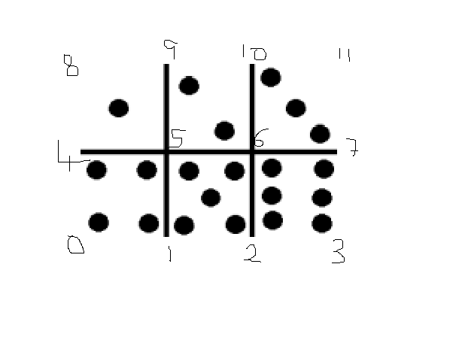
 |  |  |  |  |  |  | Texture Vertices
 |  |  |  |  |  |  |  | u | v
 |  |  |  |  |  |  | 0 | 0 | 0
 |  |  |  |  |  |  | 1 | 0.3333 | 0
 |  |  |  |  |  |  | 2 | 0.6667 | 0
 |  |  |  |  |  |  | 3 | 1 | 0
 |  |  |  |  |  |  | 4 | 0 | 0.5
 |  |  |  |  |  |  | 5 | 0.3333 | 0.5
 |  |  |  |  |  |  | 6 | 0.6667 | 0.5
 |  |  |  |  |  |  | 7 | 1 | 0.5
 |  |  |  |  |  |  | 8 | 0 | 1
 |  |  |  |  |  |  | 9 | 0.3333 | 1
 |  |  |  |  |  |  | 10 | 0.6667 | 1
 |  |  |  |  |  |  | 11 | 1 | 1

